GlobalComponents IssueSheet
S No | Page Section | Findings | Recommendations | WCAG Criteria | WCAG Levels | Severity | ScreenShot
1 | header | No mechanism is available to bypass blocks of content that are repeated on multiple Web pages .As a result user will not able to redirect to the main content of the page | Ensure that "Skip to main content" link is provided as the first focusable element in the page which is available only on keyboard tab focus. | 2.4.1 ByPass Block | Level A | Critical | 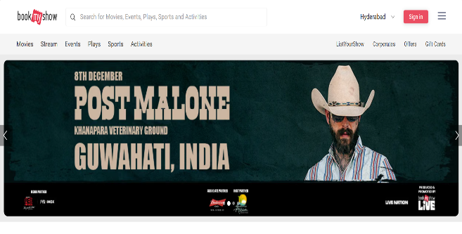
2 | header | When navigating the page using the Tab key, there is no clearly visible focus indicator on interactive elements. Additionally, the focus color blends into the background, making it difficult for users to identify which element is currently focused. | Ensure that all interactive elements have a visible focus style. Example Code: button:focus, a:focus { outline: 2px solid #005fcc; outline-offset: 2px; } | 2.4.7 Focus Visibile | Level A | Moderate | 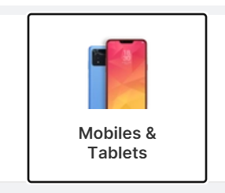
3 | header | The logo element is skipped during keyboard navigation—it does not receive focus when using the Tab key. Additionally, the screen reader does not announce the logo, which means it lacks accessible labeling or alternative text. Current code: <use href="/chunks/icons/common-icons-8b3fc13d.svg#icon-bms-logo-dark"></use> | Ensure the logo is wrapped in a focusable element like / and is reachable via keyboard Example code: <a><use href="/chunks/icons/common-icons-8b3fc13d.svg#icon-bms-logo-dark"></use></a> | 2.1.1 Keyboard 4.1.2 Name,Role,Value | Level A | Moderate
4 | header | The search input field located after the logo is not receiving keyboard focus when navigating using the Tab key. As a result, keyboard-only users are unable to access or interact with the search functionality | Ensure the search input field is focusable and accessible by: .Using semantic HTML, such as <input type="search">, which is natively keyboard-focusable. .Avoiding attributes like tabindex="-1" or hidden, which remove the element from the tab order or hide it from assistive technologies. | 2.1.1 Keyboard 1.3.1 Info and Relationships | Level A | Critical
5 | header | The location dropdown, which appears after the search input, is not receiving keyboard focus during Tab navigation. Additionally, screen readers do not announce the dropdown, indicating that it may be missing accessible labeling or proper ARIA roles. Current Code: <span class="sc-1or3vea-16 gPcyDI">Hyderabad</span> | Implement the dropdown using a focusable element, such as a native <select> tag or a custom component that includes tabindex="0" to ensure it can be accessed via keyboard navigation. This allows users who rely on the Tab key or assistive technologies to interact with the dropdown effectively. Example Code: <label for="location-select" class="visually-hidden">Select Location</label> <select id="location-select" name="location" aria-label="Select Location"><option value="hyderabad">Hyderabad</option> </select> | 2.1.1 Keyboard 2.4.7 Focus Visible 1.3.1 Info and Relationships | Level A | Critical
6 | header | The Sign In button, located after the location dropdown, is not receiving keyboard focus during Tab navigation. Additionally, screen readers do not announce the button, which suggests it may be missing an accessible name or proper semantic markup. Current Code: <div class="sc-zgl7vj-8 hpVUcY">Sign in</div> | use a semantic <button> element whenever possible, as it is natively focusable and supports keyboard interaction. If you're using a custom element instead, add role="button" to define its purpose for assistive technologies and tabindex="0" to include it in the tab order, allowing users to navigate to it using the keyboard.Example Code: <div role="button" tabindex="0" class="sc-zgl7vj-8 hpVUcY" aria-label="Sign in to your account"> Sign in </div> | 1.3.1 Info and Relationships 2.1.1 Keyboard | Level A | Critical | #VALUE!
7 | header | The hamburger menu icon, located after the Sign In button, is not focusable via keyboard navigation and is not announced by screen readers. This makes it inaccessible to users who rely on keyboard or assistive technologies to navigate the site. Current Code: <svg width="24" height="16"><use href="/chunks/icons/common-icons-8b3fc13d.svg#icon-hamburger-black"></use></svg> | Wrap the SVG icon in a semantic <button> element and Add aria-label="Open navigation menu" for screen readers. Ensure the button is focusable and operable via keyboard. Use aria-hidden="true" on the SVG if decorative. Example code: <button aria-label="Open navigation menu" class="menu-toggle"> <svg role="img" aria-hidden="true"> /chunks/icons/common-icons-8b3fc13d.svg#icon-hamburger-black</use> </svg> </button> | 1.3.1 Info and Relationships 2.1.1 Keyboard | Level A | Critical
8 | header | The navigation links (Movies, Stream, Event, Play, Sport, Activities) are not receiving keyboard focus during Tab navigation, making them inaccessible to keyboard-only users. Additionally, these links are not grouped semantically, which affects both screen reader navigation and overall accessibility structure. Current Code: <div class="sc-1or3vea-5 eSJQGE"><a href="/explore/movies-hyderabad?cat=MT" class="sc-1or3vea-20 fsiaZi">Movies</a></div> | Wrap the links in a semantic list (<ul><li>) inside a <nav> element with aria-label.This helps screen readers announce them as a group and improves structure and also ensure that links are focusable. Example Code: <nav aria-label="Main categories"> <ul class="category-list"> <li>/explore/movies-hyderabad?cat=MTMovies</a></li> </ul></nav> | 1.3.1 Info and Relationships 2.1.1 Keyboard | Level A | Critical
9 | footer | The social media icon links (Facebook, Twitter/X, Instagram, YouTube, Pinterest, LinkedIn) are announced by screen readers using a generic label such as “BookMyShow link,” which does not indicate their actual purpose. | Provide clear and descriptive accessible names for each social media icon using aria-label or visually hidden text to convey the correct purpose of the link. For example: aria-label="Facebook",aria-label="Twitter",aria-label="Instagram",aria-label="YouTube",aria-label="Pinterest",aria-label="LinkedIn" This ensures that screen readers announce the correct platform name and improves navigation clarity for assistive technology users. | 2.4.4 Link Purpose 4.1.2 Name,Role,Value | Level A | Moderate

Main IssueSheet
S No | Page Section | Findings | Recommendations | WCAG criteria | WCAG Levels | Severity | ScreenShot
1 | Main | Carousel elements do not display a visible focus indicator when navigated using the keyboard. As a result, users cannot visually identify which carousel item is currently focused, making keyboard navigation unclear and inaccessible. | Ensure all interactive elements are focusable and have a visible focus indicator using CSS. Use semantic HTML or ARIA roles where needed. Example Code: .carousel-button:focus { outline: 2px solid #005fcc; outline-offset: 2px; } | 2.4.7 Focus Visible | Level A | Critical | #VALUE!
2 | Main | Carousel banners are announced by screen readers using generic labels like “frame graphic clickable promotion-banner,” without any meaningful description. This makes it difficult for users relying on assistive technologies to understand the content or purpose of each banner. | Provide descriptive alt text for each carousel banner so screen readers can convey meaningful information about the content. Use appropriate ARIA roles and labels to identify the carousel structure and its items, and ensure each banner has a unique and clear label that reflects its purpose or destination. | 1.1.1 Non Text Content 4.1.2 Name,Role,Value | Level A | Critical | 
3 | Main | The carousel automatically rotates every 3 seconds, which is too fast for many users to read and understand the content. Additionally, there are no controls provided to pause, stop, or manually control the carousel, making it difficult for users with cognitive or motor impairments to interact with it effectively. | Increase the carousel’s slide duration to at least 7–10 seconds to give users enough time to read and understand the content. Provide accessible controls to pause, stop, or manually navigate the carousel, and ensure these controls are fully operable via keyboard and announced correctly by screen readers. | 2.2.2 Pause,Stop,Hide 1.3.2 Meaningful Sequence | Level A | Critical
4 | Main | The carousel’s arrow buttons are not accessible via keyboard navigation. Users cannot move between slides using the Tab key or arrow keys, which prevents keyboard-only users from interacting with the carousel effectively. | Make the carousel’s arrow buttons keyboard-focusable and ensure they can be operated using Tab, Enter, and arrow keys. Add appropriate ARIA roles and labels so screen readers can identify the buttons and announce their purpose clearly. | 2.1.1 Keyboard 2.4.7 Focus Visible 4.1.2 Name,Role,Value | Level A | Critical
5 | Main | When using a screen reader, pressing Enter on any carousel banner always loads the same page, regardless of which banner is selected. This behavior differs from mouse clicks, which correctly navigate to different pages based on the banner. This inconsistency can confuse users relying on assistive technologies. | Ensure carousel banners are fully accessible via keyboard by making them focusable and operable using standard keys like Tab and Enter. Use semantic HTML elements or bind keyboard events to replicate mouse click behavior. Additionally, apply appropriate ARIA roles and labels so screen readers can correctly identify and describe each banner. | 2.1.1 Keyboard 4.1.2 Name,Role,Value | Level A | Critical | #VALUE!
6 | Main | Screen reader announces “See All link” without describing what content it refers to and does not show visible focus when navigated via keyboard. Current Code: <a href="https://in.bookmyshow.com/explore/movies-hyderabad" class="sc-133848s-11 ctsexn"><div class="sc-7o7nez-0 cAnXfg">See All ›</div></a> | Add aria-label or use more descriptive link text like “See All Recommended Movies” and also Ensure the “See All” link has a visible focus indicator when navigated via keyboard. Example Code: <a href="https://in.bookmyshow.com/explore/movies-hyderabad" class="sc-133848s-11 ctsexn" aria-label="See all recommended movies > </a> | 2.4.4 Link Purpose 2.4.7 Focus Visible | Level A Level AA | Moderate
7 | Main | Genre links (e.g., Action, Drama) redirect to the same movie page, misleading users expecting genre-specific content. | Remove link behavior if not meaningful, or ensure links lead to genre-specific pages.Use descriptive link text or aria-label. | 2.4.4 Link Purpose 3.2.4 Consistent Identification | Level A Level AA | Moderate | #VALUE!
8 | Main | The movie’s rating and vote count are not announced by screen readers, which means users relying on assistive technologies miss out on key information that helps them evaluate the movie. | Use semantic HTML elements or apply aria-label attributes to ensure the movie rating and vote count are exposed to assistive technologies. This allows screen readers to announce this information clearly, making it accessible to all users. Example: <span aria-label="Rated 8.9 out of 10 based on 93.9K votes"> | 1.3.1 Info and Relationships 4.1.2 Name,Role,Value | Level A | Moderate | #VALUE!
9 | Main | The language label "Malayalam" is rendered as a clickable link on the movie page. When screen reader users encounter this, they may assume it leads to a page about the Malayalam language or a filtered list of Malayalam-language movies. However, clicking the link redirects to the same movie page, which causes confusion and breaks accessibility expectations. | Replace the <a> or <button> tag with a non-interactive semantic element like <span> or <p> to correctly convey that the language label is static and non-clickable. | 4.1.2 Name,Role,Value | Level A | Moderate | #VALUE!
10 | Main | Event dates such as “Sat, 27 Sep onwards” and “Sun, 12 Apr” are currently displayed within images at the bottom of card components. These dates are not exposed to screen readers, making it difficult for users relying on assistive technologies to understand the event schedule. Note: this is a common issue observed in all card components with date at bottom of the image | Ensure date elements are marked up with semantic HTML and/or aria-label attributes to make them accessible. Example: Aria-label="Saturday, 27th September onwards" | 1.3.1 Info and Relationships 4.1.2 Name,Role,Value | Level A | Moderate | #VALUE!
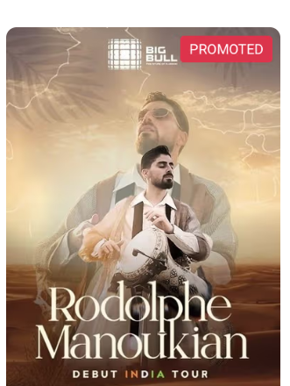
11 | Main | The "Promoted" label displayed at the top-right corner of event posters is currently rendered as part of the image without any accessible markup. As a result, screen readers do not announce this label, causing users who rely on assistive technologies to miss important context about the content being sponsored or highlighted. | Ensure the "Promoted" label is implemented using accessible HTML elements and includes an aria-label or visually hidden text to convey its meaning to screen readers. Example: aria-label="Promoted content" | 1.3.1 Info and Relationships 4.1.2 Name,Role,Value | Level A | Moderate

